Naloga 3
 | π | 3.1415926536 |  |  |  |  |  | a = | 9 |  | a = | 9 |  | a = | 7
 | ε0 | 8.85E-12 |  |  |  |  |  | b = | 6 |  | b = | 9 |  | b = | 7
 |  |  |  |  |  |  |  | c = | 9 |  | c = | 9 |  | c = | 7
 |  |  |  |  |  |  |  | d = | 6 |  | d = | 11 |  | d = | 6
 |  |  |  |  |  |  |  |  | atan(a/b) |  |  | atan(a/b) |  |  | atan(a/b)
 |  |  |  |  |  |  |  | α1 = | 56.3099 | [°] | α1 = | 45.0000 | [°] | α1 = | 45.0000 | [°]
n | q [As/m] | α1 [°] | α2 [°] | x [m] | y [m] | r [m] | L [m] |  | 180-atan(c/d) |  |  | 180-atan(c/d) |  |  | 180-atan(c/d)
1 | -7.00E-10 | 56.3099 | 123.6901 | 0.0000 | 9.0000 | 9 | 12 | α2 = | 123.6901 | [°] | α2 = | 140.7106 | [°] | α2 = | 130.6013 | [°]
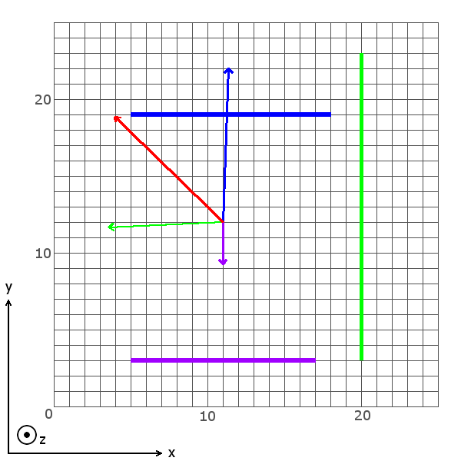
2 | 1.40E-09 | 45.0000 | 140.7106 | -1.0000 | 9.0000 | 9 | 20
3 | -1.60E-09 | 45.0000 | 130.6013 | 0.5000 | 7.0000 | 7 | 13

 | n | V [V] | Ex [V/m] | 1r(Ex) | Ey [V/m] | 1r(Ey)
 | 1 | -7.8659 | -7.7608E-17 | 1x | -0.7755 | 1y
 | 2 | 24.0515 | -1.0327E-01 | 1y | 2.0706 | -1x
 | 3 | -23.8428 | -1.0713E-01 | -1x | -2.7895 | -1y
 | ∑ | -7.6572 | -1.9635 |  | 1.9107

 | α2 | zunanji kot
 | α1 | notranji kot
 | r | pravokotnica na točko

Naloga 4
 | π | 3.1415926536
 | ε0 | 8.85E-12
 |  |  |  |  |  |  |  | atan(x+h/2) |  |  | atan(x+h/2) |  |  | atan(x+h/2)
 |  |  |  |  |  |  | α1 = | 0.5667 | [°] | α1 = | 0.8330 | [°] | α1 = | 0.5071 | [°]
n | ς [As/m2] | α1 [°] | α2 [°] | x [m] | y [m] | h |  | atan(x-h/2) |  |  | atan(x-h/2) |  |  | atan(x-h/2)
1 | 1.50E-09 | 0.5667 | -0.4266 | 1 | 11 | 12 | α2 = | -0.4266 | [°] | α2 = | -0.0997 | [°] | α2 = | -0.6610 | [°]
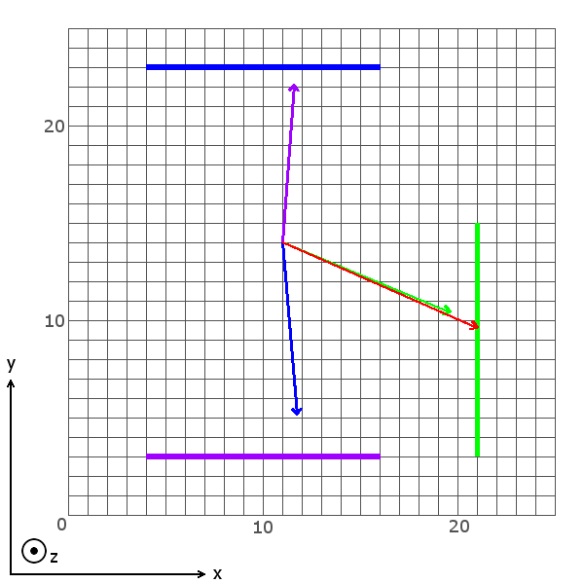
2 | -1.70E-09 | 0.8330 | -0.0997 | 5 | 10 | 12
3 | 1.40E-09 | 0.5071 | -0.6610 | -1 | 9 | 12

 | n | Ex [V/m] | 1r(Ex) | Ey [V/m] | 1r(Ey)
 | 1 | 2.0517 | 1x | 26.7835 | 1y
 | 2 | -11.9640 | 1y | -28.4996 | -1x
 | 3 | -2.5680 | -1x | 29.3965 | -1y
 | ∑ | 33.1194 |  | -14.5769

Naloga 5
 | π | 3.1415926536 |  |  | a = | 6 |  | a = | 11 |  | a = | 10
 | ε0 | 8.85E-12 |  |  | b = | 3 |  | b = | 6 |  | b = | 7
 | μ0 | 1.26E-06 |  |  | c = | 6 |  | c = | 11 |  | c = | 10
 |  |  |  |  | d = | 5 |  | d = | 5 |  | d = | 5
n | I [A] | α1 [°] | α2 [°] | r |  | atan(a/b) |  |  | atan(a/b) |  |  | atan(a/b)
1 | 16 | 0.4472 | -0.6402 | 6 | α1 = | 63.4349 | [°] | α1 = | 61.3895 | [°] | α1 = | 55.0080 | [°]
2 | 10 | 0.4789 | -0.4138 | 11 |  | 180-atan(c/d) |  |  | 180-atan(c/d) |  |  | 180-atan(c/d)
3 | -13 | 0.5735 | -0.4472 | 10 | α2 = | 129.8056 | [°] | α2 = | 114.4440 | [°] | α2 = | 116.5651 | [°]
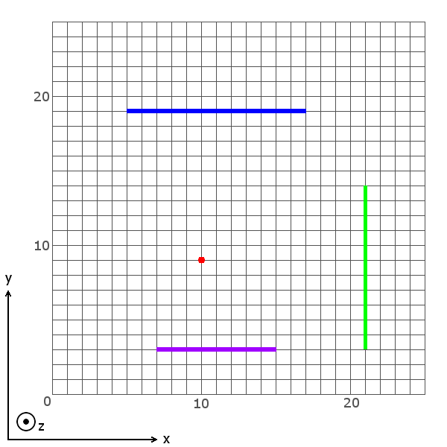
 | n | B [T] | 1r
 | 1 | 2.8997E-07 | 1
 | 2 | 8.1150E-08 | 1
 | 3 | -1.3269E-07 | -1
 | ∑ | 5.0381E-07

 | α2 | zunanji kot
 | α1 | notranji kot
 | r | pravokotnica na točko

Naloga 6
 | π | 3.1415926536 |  |  |  |  |  | a = | 9 | hipo | a = | 13 | hipo | a = | 10 | hipo
 | ε0 | 8.85E-12 |  |  |  |  |  | b = | 6 | 10.816653826 | b = | 2 | 13.152946438 | b = | 5 | 11.180339887
 | μ0 | 1.26E-06 |  |  |  |  |  |  | atan(a/b) |  |  | atan(a/b) |  |  | atan(a/b)
 |  |  |  |  |  |  |  | α1 = | 56.3099 | [°] | α1 = | 81.2538 | [°] | α1 = | 63.4349 | [°]
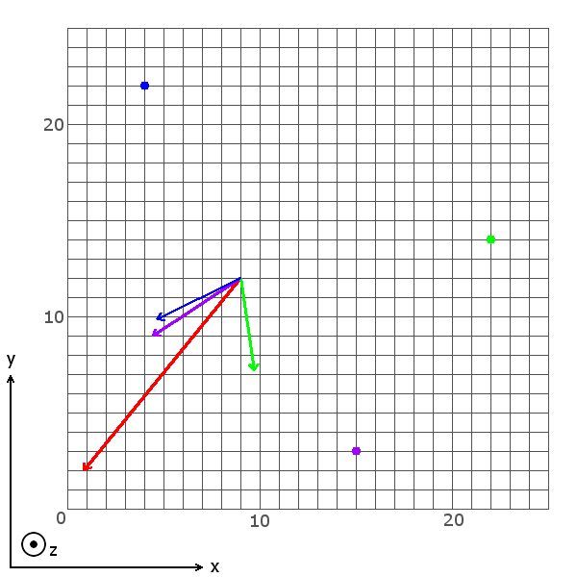
n | I [A] | α1 [°] | φ +/- 90°
1 | 120 | 56.3099 | 90
2 | 130 | 81.2538 | 90
3 | -110 | 63.4349 | -90

 | n | B [T] | Bx [T] | 1r | By [T] | 1r | r (hipo)
 | 1 | 2.2188E-06 | -1.8462E-06 | -1x | 1.2308E-06 | 1y | 10.8167
 | 2 | 1.9767E-06 | -1.9538E-06 | -1y | 3.0058E-07 | -1x | 13.1529
 | 3 | -1.9677E-06 | -1.7600E-06 | -1x | 8.8000E-07 | 1y | 11.1803
 | ∑ |  | 3.3056E-06 |  | 4.0645E-06

Naloga 7
 | π | 3.1415926536 |  |  |  |  | a = | 10 |  | a = | 13 |  | a = | 9
 | ε0 | 8.85E-12 |  |  |  |  | b = | 3 |  | b = | 9 |  | b = | 8
 | μ0 | 1.26E-06 |  |  |  |  | c = | 10 |  | c = | 13 |  | c = | 9
 |  |  |  |  |  |  | d = | 5 |  | d = | 3 |  | d = | 0
n | I [A] | α1 [°] | α2 [°] |  |  |  |  | atan(a/b) |  |  | atan(a/b)
1 | 13 | 73.3008 | 116.5651 |  |  |  | α1 = | 73.3008 | [°] | α1 = | 55.3048 | [°] | α1 = | 48.3665 | [°]
2 | -17 | 55.3048 | 102.9946 |  |  |  |  | 180-atan(c/d) |  |  | 180-atan(c/d) |  |  | 180-atan(c/d)
3 | -15 | 48.3665 | 90.0000 |  |  |  | α2 = | 116.5651 | [°] | α2 = | 102.9946 | [°] | α2 = | 90.0000 | [°]
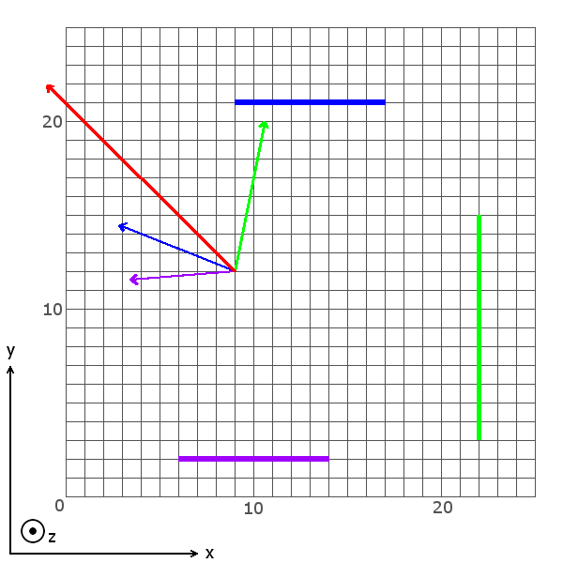
 | n | B [T] | Bx [T] | 1r | By [T] | 1r
 | 1 | 2.6000E-06 | -1.9633E-06 | 1y | 1.7806E-07 | -1x
 | 2 | -3.4000E-06 | 2.8300E-06 | 1x | 5.7745E-07 | 1y
 | 3 | -3.0000E-06 | 2.1799E-06 | -1y | 8.7343E-07 | 1x
 | ∑ |  | -3.5657E-06 |  | 3.5253E-06

